Sheet1
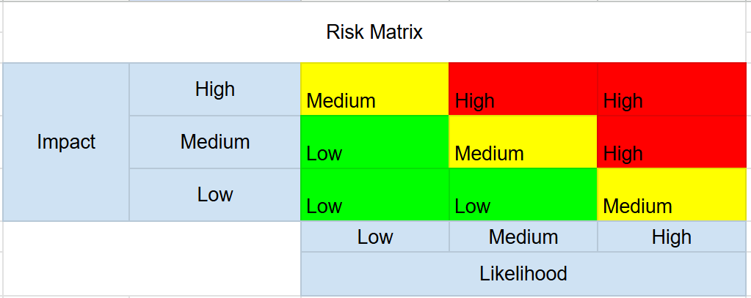
Asset | Threat | Vulnerability | Risk Description | Likelihood | Impact | Risk Score | Mitigation | Status
Windows 10 Machine Web Server | Remote Code Execution (RCE) via unsanitized input | PHP input not sanitized in web app | Unvalidated input in PHP allows attackers to execute arbitrary commands on the system via nslookup. These commands can be used to enable remote code execution leading to total compromise of the machine. | High | High | High | Implement input validation, disable dangerous functions, and use prepared statements. | Mitigated
Windows 10 Machine Web Server | Unauthorized remote access / lateral movement | SMB and Sysinternals tools are present | Sysinternals with open SMB allows for possible PsExec or credential misuse for lateral movement. | High | High | High | Restrict SMB access, monitor Sysinternals use, and apply least privilege. | Mitigated
Windows 10 Machine Web Server | Credential theft via hash capture | LLMNR is enabled | LLMNR can be abused to capture NTLM hashes via spoofing and SMB relay attacks. | High | Medium | High | Disable LLMNR via Group Policy. | Mitigated
Windows 10 Machine Web Server | Outbound exploitation or data exfiltration | Firewall allows unrestricted outbound connections | No outbound firewall rules allow reverse shells or beaconing to succeed. | Medium | High | High | Restrict outbound connections to known IPs/services. | Mitigated
Windows 10 Workstation | Unauthorized remote access / lateral movement | SMB and Sysinternals tools are present | Sysinternals and SMB allow internal movement and remote code execution. | Medium | High | High | Limit SMB exposure and enforce user access control. | Mitigated
Windows 10 Workstation | Credential theft via hash capture | LLMNR is enabled | LLMNR spoofing can leak NTLM hashes to an attacker. | High | Medium | High | Disable LLMNR via registry or GPO. | Mitigated
Windows 10 Workstation | Outbound exploitation | Firewall allows outbound connections by default | Malware or tools can freely communicate with C2 servers. | Medium | High | High | Implement outbound firewall rules and logging. | Mitigated
Windows 10 Workstation | Account compromise | Weak user password | Weak passwords are susceptible to brute-force or password spray attacks. | High | Medium | High | Enforce password complexity and lockout policies. | Mitigated
Windows 10 Workstation | SIEM inefficiency / missed detection | Splunk not optimized | Logs may not capture key events or trigger alerts for threats. | High | Medium | High | Refine Splunk rules and enable Sysmon event correlation. | Open
Domain Controller with Active Directory | Privilege escalation / Domain compromise | Critical service with high privilege trust | Compromise of the DC leads to full domain control and persistence opportunities. | Low | High | Medum | Limit admin access, monitor logins, and segment network zones. | Mitigated
PfSense | Firewall bypass or misconfiguration | Rules not validated; single point of defense | Improperly configured firewall rules may allow lateral or outbound traffic leaks. | Low | Medium | Medum | Review firewall rules, log all denied traffic, and implement layered defense. | Mitigated

